Sheet4
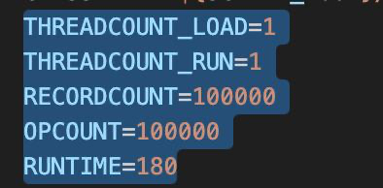
All these experiments are using this config

